User guide
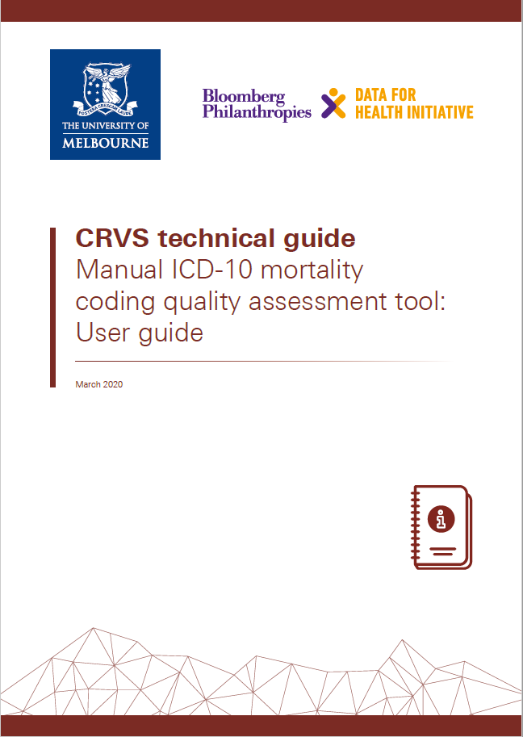
Please click on the below image to download the user guide for this tool.

Scoring tool
CRVS tools
Developed by:
Manual ICD mortality coding quality assessment tool
Healthcare facility name:
Enter name of coding / statistical office / hospital plus month/year of audit above.
1 | 2 | 3 | 4 | 5 | 6 | 7 | 8 | 9 |  | 10 | 11 | 12
Death Certificate No. | No. codes (Person A) (a) | No. codes (Person B) (b) | Missing codes (1/0)* | No. correct codes (c) | FUCOD correct (1/0) | All codes correct (1/0)** | Score totality (d) (a/b * 25)*** | Score accuracy (e) (c/b * 25) |  | Score FUCOD (f) (correct = 50) | Total score (d+e+f) | Quality P=0-25; M=26-50; G=51-74; VG=75-99; E=100

TOTAL
Category |  |  | Number | %
Records with missing codes
Records with correct UCOD
Records without errors
Quality category |  |  | Number | % |  |  |  | *Some codes are missing = 1 ; No missing codes = 0
Poor (P): 0 - 25 |  |  |  |  |  |  |  | ** All codes are correct = 1; At least one code is incorrect = 0
Moderate (M): 26 - 50 |  |  |  |  |  |  |  | *** Maximum score is 25 | Maximum score is 25
Good (G): 51 - 74
Very good (VG): 75 - 99
Excellent (E): 100

